Duopont
ITC Ltd ₹ 412 BSE:500857 |  |  |  |  |  |  | DuPont Summary

ROE has consistently improved, peaking at 29.60% in FY23 and slightly moderating to 28.89% in FY24.
Net Profit Margin saw strong improvement post-2021, growing from 25.56% in FY22 to 29.28% in FY24, indicating enhanced profitability.
Asset Turnover improved significantly from FY21 to FY23, reflecting better asset utilization, though there was a slight dip in FY24.
Financial Leverage remained stable and modestly increased, showing a balanced use of debt/equity to boost returns without excessive risk.
DuPont Analysis

About the Company
ITC Limited is an Indian conglomerate, headquartered in Kolkata. It has a presence across six business segments, namely FMCG, agribusiness, information technology, paper products, and packaging. It generates a plurality of its revenue from tobacco products.
In terms of market capitalization, ITC is the second-largest FMCG company in India and the third-largest tobacco company in the world. It employs 36,500 people at more than 60 locations across India. Its products are available in 6 million retail outlets in India and exported to 90 countries.

Revenue (Cr.)
Net Profit (Cr.)
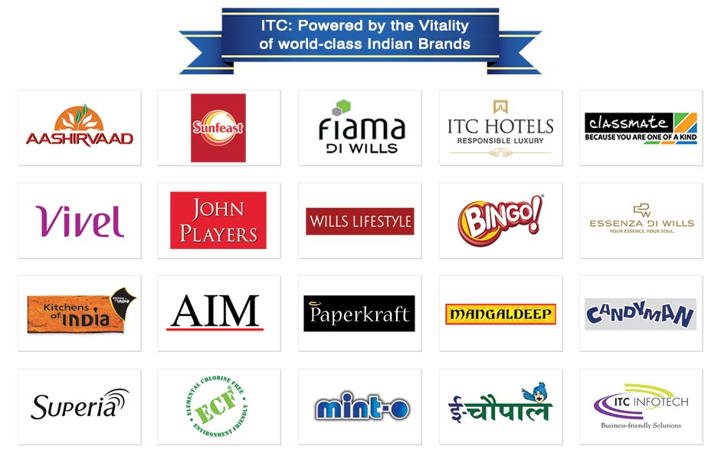

Return On Equity (%)
Return On Assets (%)

 |  |  |  |  |  |  | Recent Updates (2025)
ITC acquired Aditya Birla Real Estate’s pulp & paper business to bolster its paperboards and packaging segment.
ITC also acquired Prasuma, a leading brand in frozen, chilled, and ready-to-cook products. This move strengthens ITC’s position in the high-growth packaged foods category.
For Q3 FY25 (ending Dec 2024), ITC reported consolidated revenue of ₹17,052.82 crore, reflecting steady performance across core businesses despite inflationary pressures.
As of April 8, 2025, ITC’s stock traded at ₹412.55, recovering from recent lows but still about 17% below its 52-week high of ₹498.94 (hit in Sept 2024), indicating potential for upside.

Average Total Assets (Cr.)
Financial Leverage

Return On Equity (ROE)
 | Mar-19 | Mar-20 | Mar-21 | Mar-22 | Mar-23 | Mar-24
Net Profit | 12,836.0 | 15,593.0 | 13,383.0 | 15,503.0 | 19,477.0 | 20,751.0
Avg Sh. Equity | 55,825.5 | 62,207.0 | 62,810.0 | 61,401.0 | 65,805.0 | 71,831.0
Return On Equity (ROE) | 22.99% | 25.07% | 21.31% | 25.25% | 29.60% | 28.89%

DuPont Equation (ROE)
 | Mar-19 | Mar-20 | Mar-21 | Mar-22 | Mar-23 | Mar-24
Net Profit | 12,836.0 | 15,593.0 | 13,383.0 | 15,503.0 | 19,477.0 | 20,751.0
Revenue | 48,340.0 | 49,388.0 | 49,257.0 | 60,645.0 | 70,919.0 | 70,866.0
Net Profit Margin (A) | 26.55% | 31.57% | 27.17% | 25.56% | 27.46% | 29.28%

Revenue | 48,340.0 | 49,388.0 | 49,257.0 | 60,645.0 | 70,919.0 | 70,866.0
Average Total Assets | 67,990.0 | 74,525.0 | 75,536.0 | 75,478.5 | 81,513.5 | 88,792.5
Average Turnover Ratio (B) | 71.10% | 66.27% | 65.21% | 80.35% | 87.00% | 79.81%

Average Total Assets | 67,990.0 | 74,525.0 | 75,536.0 | 75,478.5 | 81,513.5 | 88,792.5
Avg Sh. Equity | 55,825.5 | 62,207.0 | 62,810.0 | 61,401.0 | 65,805.0 | 71,831.0
Financial Leverage (C) | 121.79% | 119.80% | 120.26% | 122.93% | 123.87% | 123.61%

Return On Equity (A*B*C) | 22.99% | 25.07% | 21.31% | 25.25% | 29.60% | 28.89%

Return On Asset (ROA)
 | Mar-19 | Mar-20 | Mar-21 | Mar-22 | Mar-23 | Mar-24
Net Profit | 12,836.0 | 15,593.0 | 13,383.0 | 15,503.0 | 19,477.0 | 20,751.0
Average Total Assets | 67990 | 74525 | 75536 | 75478.5 | 81513.5 | 88792.5
Return On Asset(ROA) | 18.88% | 20.92% | 17.72% | 20.54% | 23.89% | 23.37%

DuPont Equation (ROA)
 | Mar-19 | Mar-20 | Mar-21 | Mar-22 | Mar-23 | Mar-24
Net Profit | 12,836.0 | 15,593.0 | 13,383.0 | 15,503.0 | 19,477.0 | 20,751.0
Revenue | 48,340.0 | 49,388.0 | 49,257.0 | 60,645.0 | 70,919.0 | 70,866.0
Net Profit Margin (A) | 26.55% | 31.57% | 27.17% | 25.56% | 27.46% | 29.28%

Revenue | 48,340.0 | 49,388.0 | 49,257.0 | 60,645.0 | 70,919.0 | 70,866.0
Average Total Assets | 67,990.0 | 74,525.0 | 75,536.0 | 75,478.5 | 81,513.5 | 88,792.5
Average Turnover Ratio (B) | 71.10% | 66.27% | 65.21% | 80.35% | 87.00% | 79.81%

Return On Equity (A*B) | 18.88% | 20.92% | 17.72% | 20.54% | 23.89% | 23.37%

